DefectReport
Defect ID | Defect name | Defect description | Steps | Actual result | Severity | Priority | Status | Attachments
HOME PAGE
1 | Check Currency | There is no ruppes included | 1. Click on currency 2. There is no ruppes currency | There are not included ruppes currency | Medium | Medium | New
2 | Check Tab Preview | Check tab preview showing proper or not | 1. move curser to the tab | It showing only website name and link | Medium | High | Solved
3 | Check Header Options (Contect) | Check contact number is clickable or not | 1. click on contact number | The contact number is not clickable | High | High | New
4 | Check Header Option (Wishlist) without login | Check Wishlist is clickable or not | 1. click on wishlist option | When I click on this option the customer login page is open and my information are filled up there | High | High | New
5 | Check Header Option (Shopping Cart) without login | Check Shopping cart option | 1. click on shopping cart option | Without login my cart page is opened | low | medium | New
6 | Check Header Option (Checkout) | Check the checkout option how works without login | 1. click on checkout option | When I click on checkout option it opens shopping cart page | High | High | New
7 | Check Searchbar Option (search logo) | Check the search logo is working or not | 1. click on search logo without typing anything | When I click on search logo without typing anything it opens new search page and categories option | low | medium | New
8 | Check Category (tablets) | Check this option shows proper preview or not | 1. mover curser on this button | It not showing proper preview | Midium | High | New
9 | Check Category (software) | check this option is showing proper preview or not | 1. move curser in this button | It not showing proper preview | Midium | High | New
10 | Check Category (Phones & PDAs) | Check this option shows proper preview or not | 1. move curser in this button | It not showing proper preview | Midium | High | Solved
11 | Check category (Camera) | Check this option shows proper preview or not | 1. move curser in this button | It not showing proper preview | Midium | High | Solved
12 | Check Add too Cart | check add to cart button working or not | 1. click on any product 2. click on add to cart button | when I click on add to cart it added in cart option without login that is not correct | Midium | High | In progress
13 | Check Add to Wishlist | check wishlist option opens proper or not | 1. click on wishlist option | when I click on this button it shows you to login or register may the wishlist is working without login | Midium | Medium | New
14 | Check Review Stars | check start are clickable and working or not | 1. click on any product 2. click on review starts | starts are not clicakble and not working at all | Midium | High | New
15 | Check Related Products | check related product are similar to your product or not | 1. click on any product 2. scroll down to bottom | when I open phone product and scroll down in related products showing other product like computer | High | High | New | 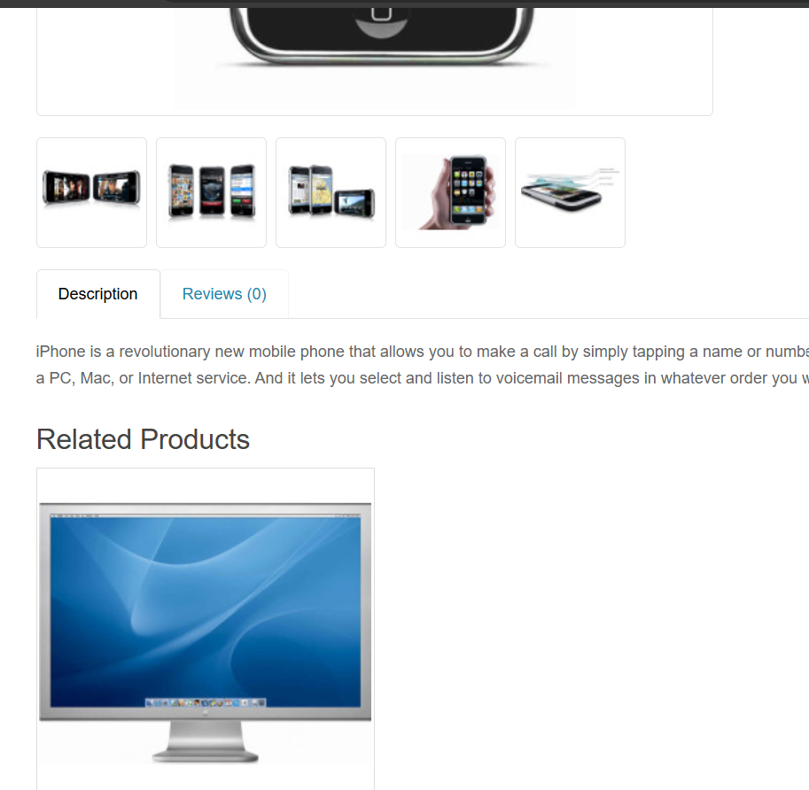
16 | Check product Images | Check that product images are clickable or not | 1. click on laptop image | laptop image is not clickable | Midium | High | New
CONTACT PAGE
17 | Check Contect number | Check contact number is clickable or not | 1. click on contact number | it is not clickable | Midium | High | New
18 | Check Email Address, name and message option | Check contact form every field working proper or not | 1. click on your name and enter wrong name 2. click on email address and enter fake email 3. click on Enquiry and enter wrong information | It accept all wrong details and display message that Your enquiry has been successfully sent to the store owner | High | High | In progress
CART WITHOUT LOGIN
19 | Check Add to cart without Login | Check items added in cart without login or not | 1. click on any item and add in cart | When I add to cart without login its display message to successfully added to cart | Low | High | New
20 | Check cart after add | check after click on add item added to cart or not | 1. click on add cart | item is added in cart and display message | Low | HIgh | New
LOGIN PAGE
21 | Check after log out and then sing in fields | check log in fields after log out | 1. log out 2. click on log in | it shows all details in fields | High | High | New
22 | Check Register Account Privacy Policy | check privacy policy in register page | 1. click on register 2. Go down to page and click on privacy policy | it pop up just privacy policy message only | High | Medium | New
MY ACCOUNT AFTER LOGIN
23 | Check My Account Category (My Orders) | check that in order history have back button or not | 1. click on my account and click on order history | there are continue button and this button is not needed there | Low | Low | New

